Figure 1
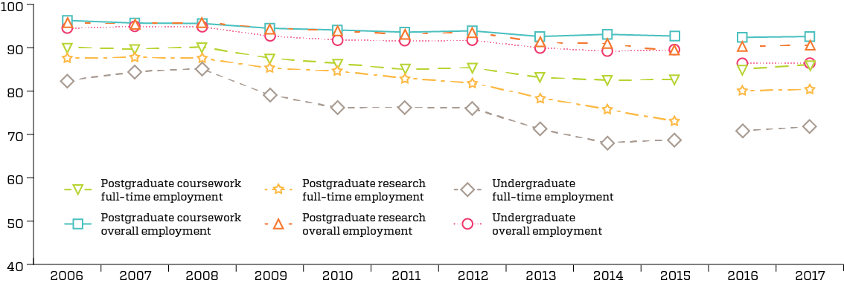
Figure 1: Full-time and overall employment rates, by study level, 2007–2017 (%)

Figure 2
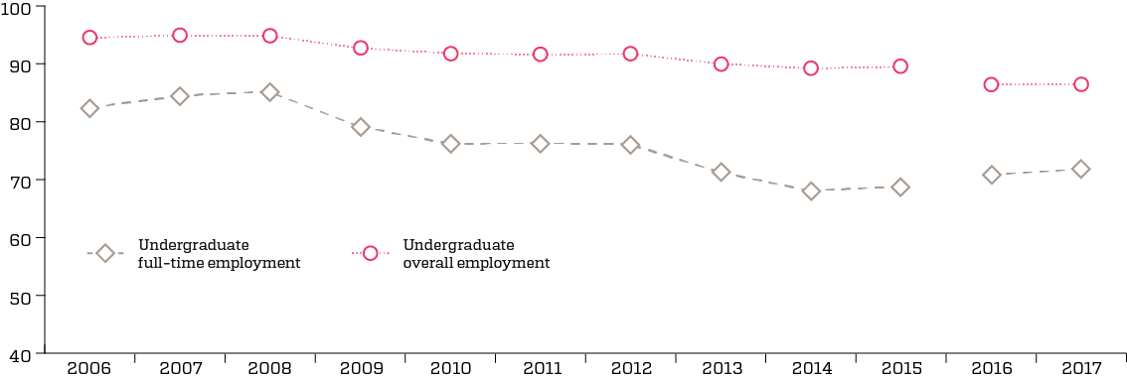
Figure 2: Undergraduate full-time and overall employment, 2007–2017 (%)

Figure 4
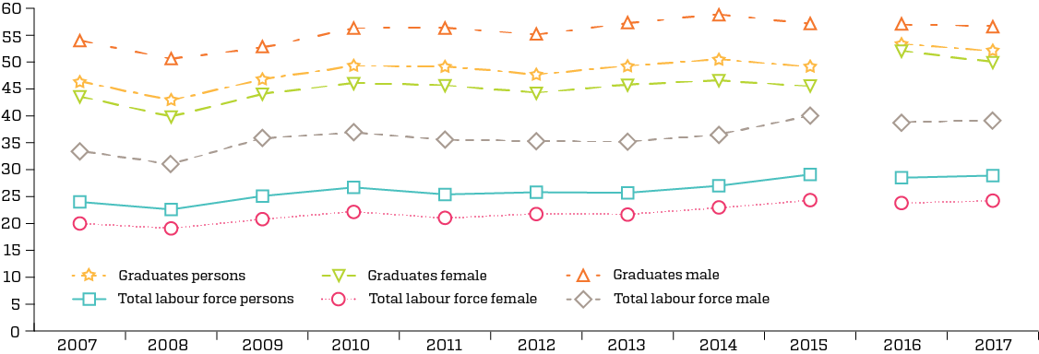
Figure 4: Underemployment as a proportion of all part-time employment, recent graduates and total labour force, by gender, 2007 to 2017 (%)

Figure 5
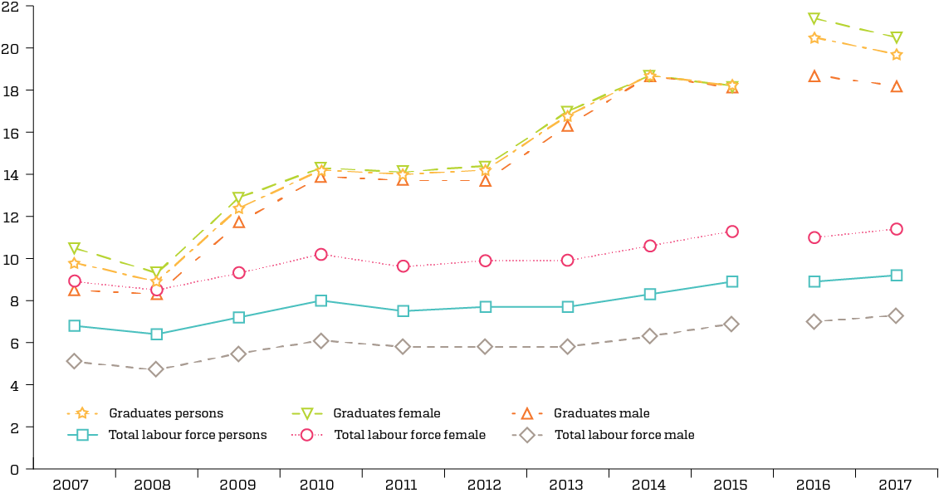
Figure 5: Underemployment as a proportion of total employment, recent graduates and total labour force, by gender, 2007 to 2017 (%)

Figure 6
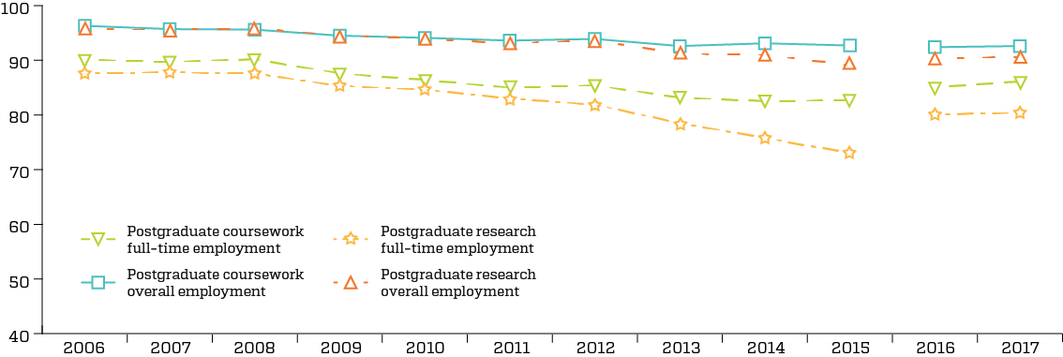
Figure 6: Postgraduate full-time and overall employment, 2007–2017 (%)

Figure 10
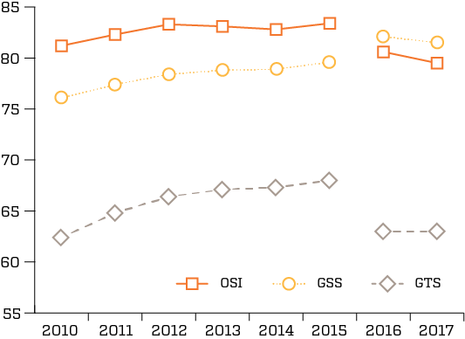
Figure 10: Undergraduate satisfaction, 2010–2017 (% agreement)

Figure 11
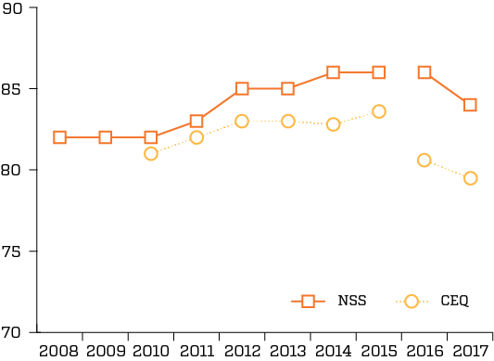
Figure 11: Overall satisfaction of undergraduates, UK (NSS) and Australia (CEQ), 2008–2017 (% agreement)

Figure 12
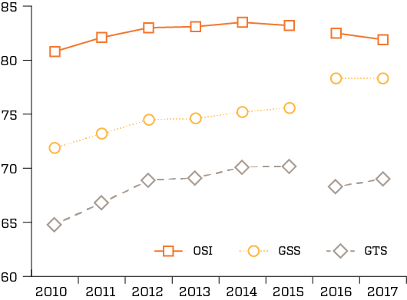
Figure 12: Postgraduate coursework satisfaction, 2010–2017 (% agreement)

Figure 13
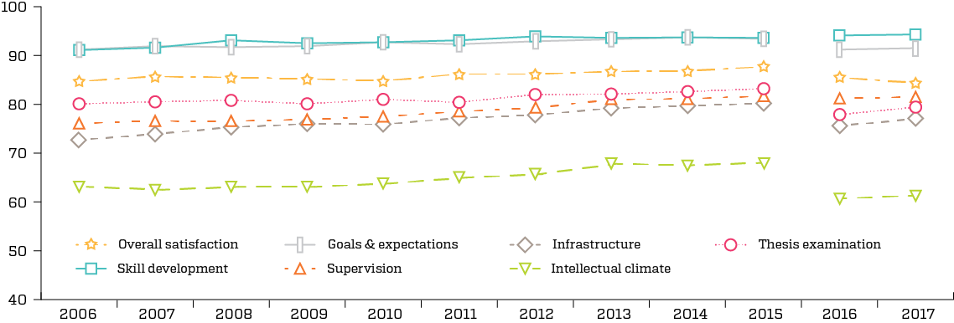
Figure 13: REQ 2007–2017 (% agreement)

